Normal Distribution
Simulate Data in Google Sheets |  | Proportion%
Empirical Rules | +/- 1SD | 68.2
 | +/- 2SD | 95
 | +/- 3SD | 99.7
 |  |  |  |  | TRUE
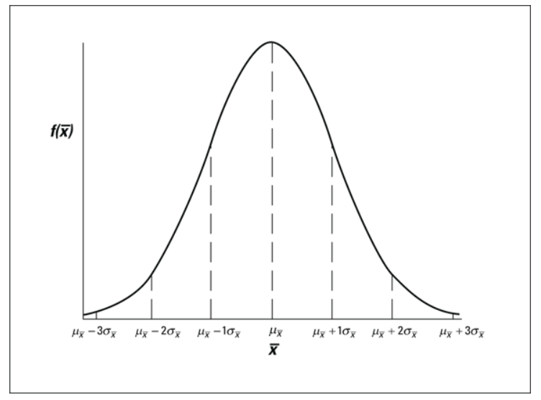
 | mean | 202.0
200.1 | sd | 15.7451188 |  | % Proportion
193.7 | +/-1sd | 186.3 | 217.8 | 68%
208.8 | +/-2sd | 170.5 | 233.5 | 97%
207.7 | +/-3sd | 154.8 | 249.3 | 100%
189.4 |  | Lower | Upper
183.5
172.7
224.7
193.8
212.0
213.2
188.7
201.3
201.6
226.0
196.5
197.0
208.9
206.7
167.9
184.5
157.7
209.0
195.6
207.0
172.3
210.4
227.6
191.3
195.7
219.6
185.9
170.9
193.0
224.1
205.7
199.0
198.1
208.7
208.8
178.6
217.4
208.1
176.4
208.3
203.5
206.0
188.0
192.1
193.8
198.2
215.5
209.3
186.9
213.5
222.0
180.5
185.6
171.3
231.1
215.7
192.3
202.3
229.1
207.3
191.0
198.1
222.6
206.8
206.0
187.2
203.9
216.0
198.4
191.8
224.1
198.9
188.3
208.9
190.5
222.8
199.2
195.3
221.9
182.3
212.8
223.1
204.8
201.0
218.3
205.9
233.2
216.9
199.2
195.4
184.6
218.0
238.2
196.6
209.5

Confidence Interval

We want to estimate Rating of TENET film among those who have watched it this year.

 | Rating
 | 7.5 | Mean | 7.606 |  | 1sd
 | 8.0 | SD | 0.7279646626 |  | 2sd
 | 6.8 | N | 50 |  | 3sd
 | 8.1 | margin error | 0.2017778021
 | 7.4 | CONFIDENCE INTERVAL
 | 7.8 | 95% | lower | upper
 | 8.5 |  | 7.404 | 7.808
 | 8.4 |  | 7.404 | 7.808
 | 8.7
 | 8.3
 | 7.5
 | 6.8
 | 8.7 | se | 0.1029497499
 | 7.4 | margin error | 0.2017815098
 | 6.2
 | 9.0
 | 7.3
 | 7.0
 | 5.7
 | 6.9
 | 7.8
 | 7.2
 | 8.3
 | 6.8
 | 7.5
 | 7.5
 | 5.7
 | 7.9
 | 8.6
 | 7.9
 | 7.0
 | 8.5
 | 7.2
 | 7.2
 | 8.3
 | 7.8
 | 7.6
 | 7.3
 | 6.9
 | 8.2
 | 8.2
 | 8.2
 | 8.0
 | 7.5
 | 7.3
 | 7.7
 | 8.2
 | 6.7
 | 7.4
 | 7.8

Paired T-Test


 |  | One month of special training

 | Before |  |  | After
Mean | 65 |  | Mean | 72
SD | 5 |  | SD | 3 |  | FALSE

Student_ID | Before | After | diff
1 | 56.29285069 | 69.85566556 | 13.56281488
2 | 73.15587857 | 71.89335801 | -1.262520563 | Paired T-Test
3 | 63.10498026 | 69.86142941 | 6.7564491488
4 | 60.83210315 | 69.53851088 | 8.7064077296 | Test equality of means |  | if p-value <=0.05,Reject HO
5 | 71.16318484 | 67.54255606 | -3.6206287708 | T.Test | Reject HO | ho:mean before = mean after
6 | 69.52475978 | 73.8167725 | 4.2920127183 |  |  | h1:mean before != mean after
7 | 59.12451312 | 74.48968693 | 15.365173807
8 | 72.92573343 | 74.14419991 | 1.2184664835
9 | 54.53896663 | 71.44522259 | 16.906255965
10 | 67.50890817 | 76.38089774 | 8.8719895683 |  | mean_diff | 5.933513234
11 | 72.90197028 | 74.26807628 | 1.3661060048
12 | 62.59676377 | 76.29176467 | 13.695000901
13 | 64.2560119 | 67.84006096 | 3.5840490593
14 | 67.77469933 | 70.92162947 | 3.1469301386
15 | 63.48433966 | 68.61727031 | 5.13293065
16 | 71.02968587 | 71.76704036 | 0.73735449327
17 | 68.57758036 | 69.16079413 | 0.58321377116
18 | 66.10809247 | 75.69047304 | 9.5823805769
19 | 62.04485348 | 68.77123212 | 6.7263786389
20 | 74.63973374 | 72.43303304 | -2.2067007056
21 | 67.56312073 | 64.121165 | -3.441955728
22 | 70.30384449 | 73.12178792 | 2.8179434316
23 | 62.58517083 | 70.19932626 | 7.6141554283
24 | 70.12375546 | 70.63778174 | 0.5140262747
25 | 63.69507207 | 72.17480173 | 8.4797296603
26 | 67.24663465 | 71.85378532 | 4.6071506719
27 | 59.86585032 | 73.19275209 | 13.326901762
28 | 71.69785705 | 73.26424712 | 1.5663900701
29 | 65.77490039 | 68.33949194 | 2.564591553
30 | 65.13682168 | 73.13247526 | 7.9956535774
31 | 56.26121038 | 70.81302301 | 14.551812634
32 | 62.63554518 | 70.70345247 | 8.0679072911
33 | 67.86509451 | 73.17298315 | 5.3078886474
34 | 65.25879742 | 71.00739728 | 5.748599858
35 | 59.45393321 | 76.13002998 | 16.676096775
36 | 51.64120292 | 68.30387115 | 16.66266823
37 | 65.92198651 | 71.0323604 | 5.1103738889
38 | 58.04883243 | 67.15305483 | 9.1042224066
39 | 64.66474284 | 76.89908118 | 12.23433834
40 | 59.74043303 | 70.94003227 | 11.199599238
41 | 66.38440424 | 65.31269979 | -1.0717044471
42 | 69.74503832 | 71.83997046 | 2.0949321397
43 | 68.24914023 | 70.33583213 | 2.0866919007
44 | 73.1058349 | 70.63246651 | -2.4733683838
45 | 62.13701399 | 70.23475948 | 8.097745492
46 | 64.30831573 | 73.51270381 | 9.2043880753
47 | 64.50007473 | 74.27988605 | 9.7798113129
48 | 75.31180424 | 70.55639761 | -4.7554066235
49 | 63.831666 | 71.28750508 | 7.4558390827
50 | 67.16363039 | 69.56820503 | 2.4045746395

